Layout
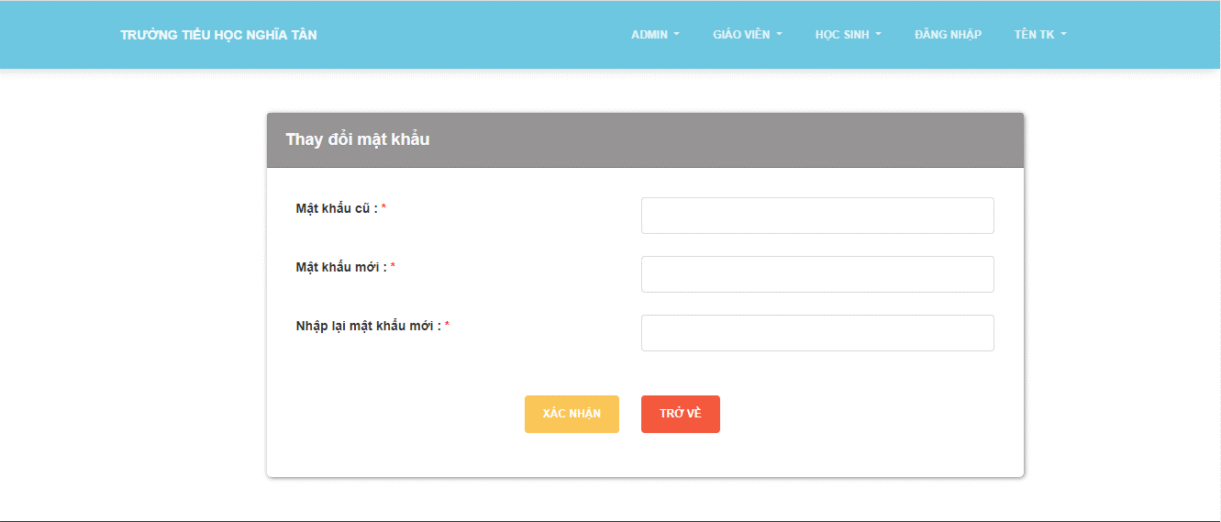
6.3.3 Quản lí điểm của học sinh
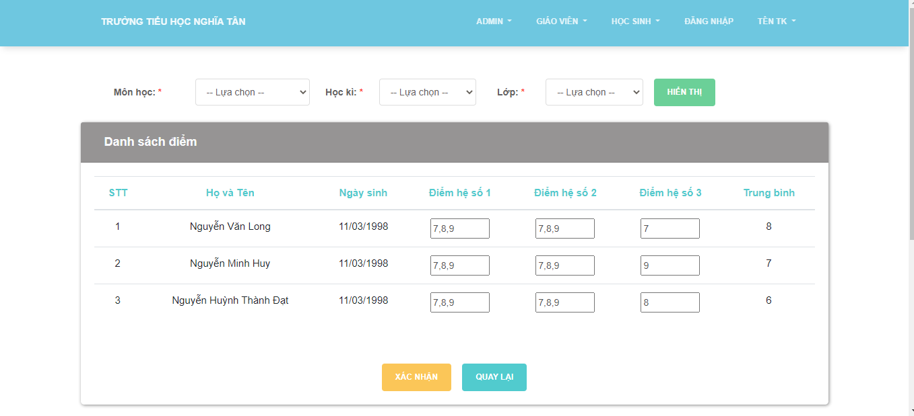

6.3.4 Quản lí thông tin cá nhân

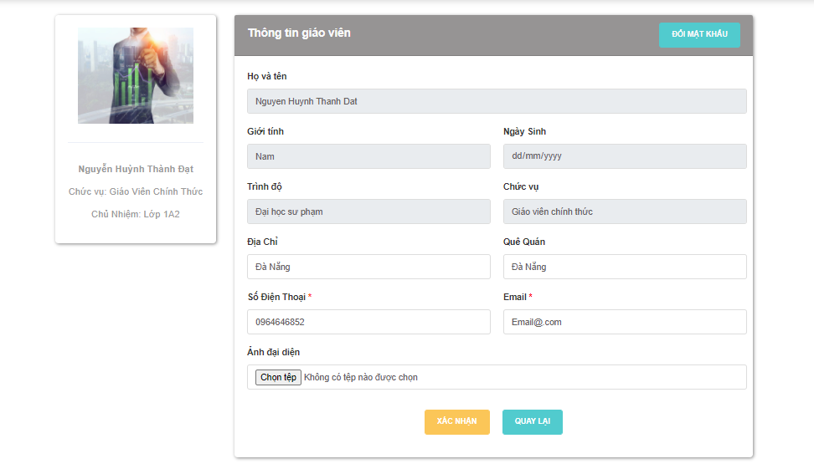

6.3.4 Thay đổi mật khẩu

